Benchmark
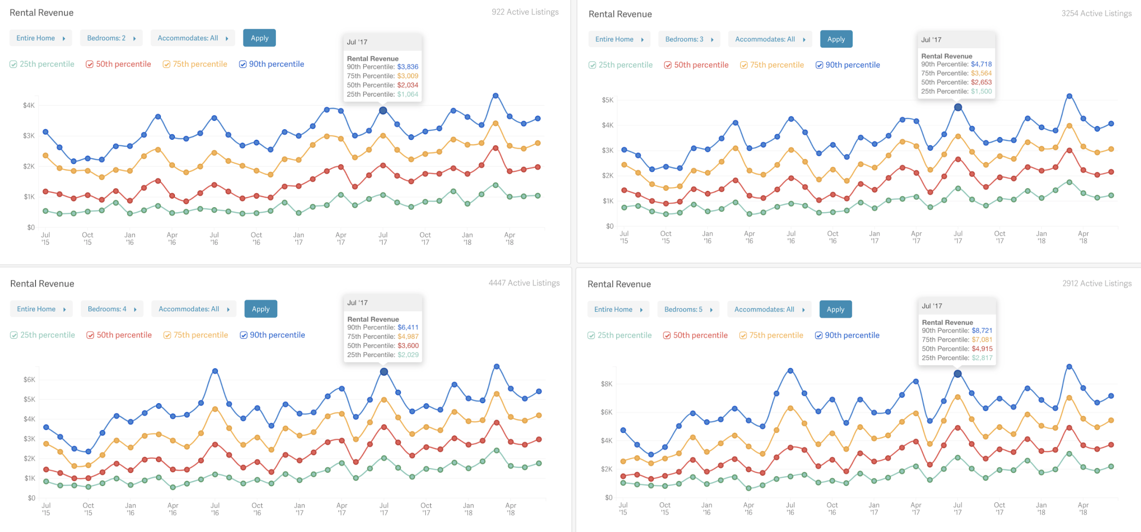
Benchmark Casas de Temporada
Kissimmee - Orlando

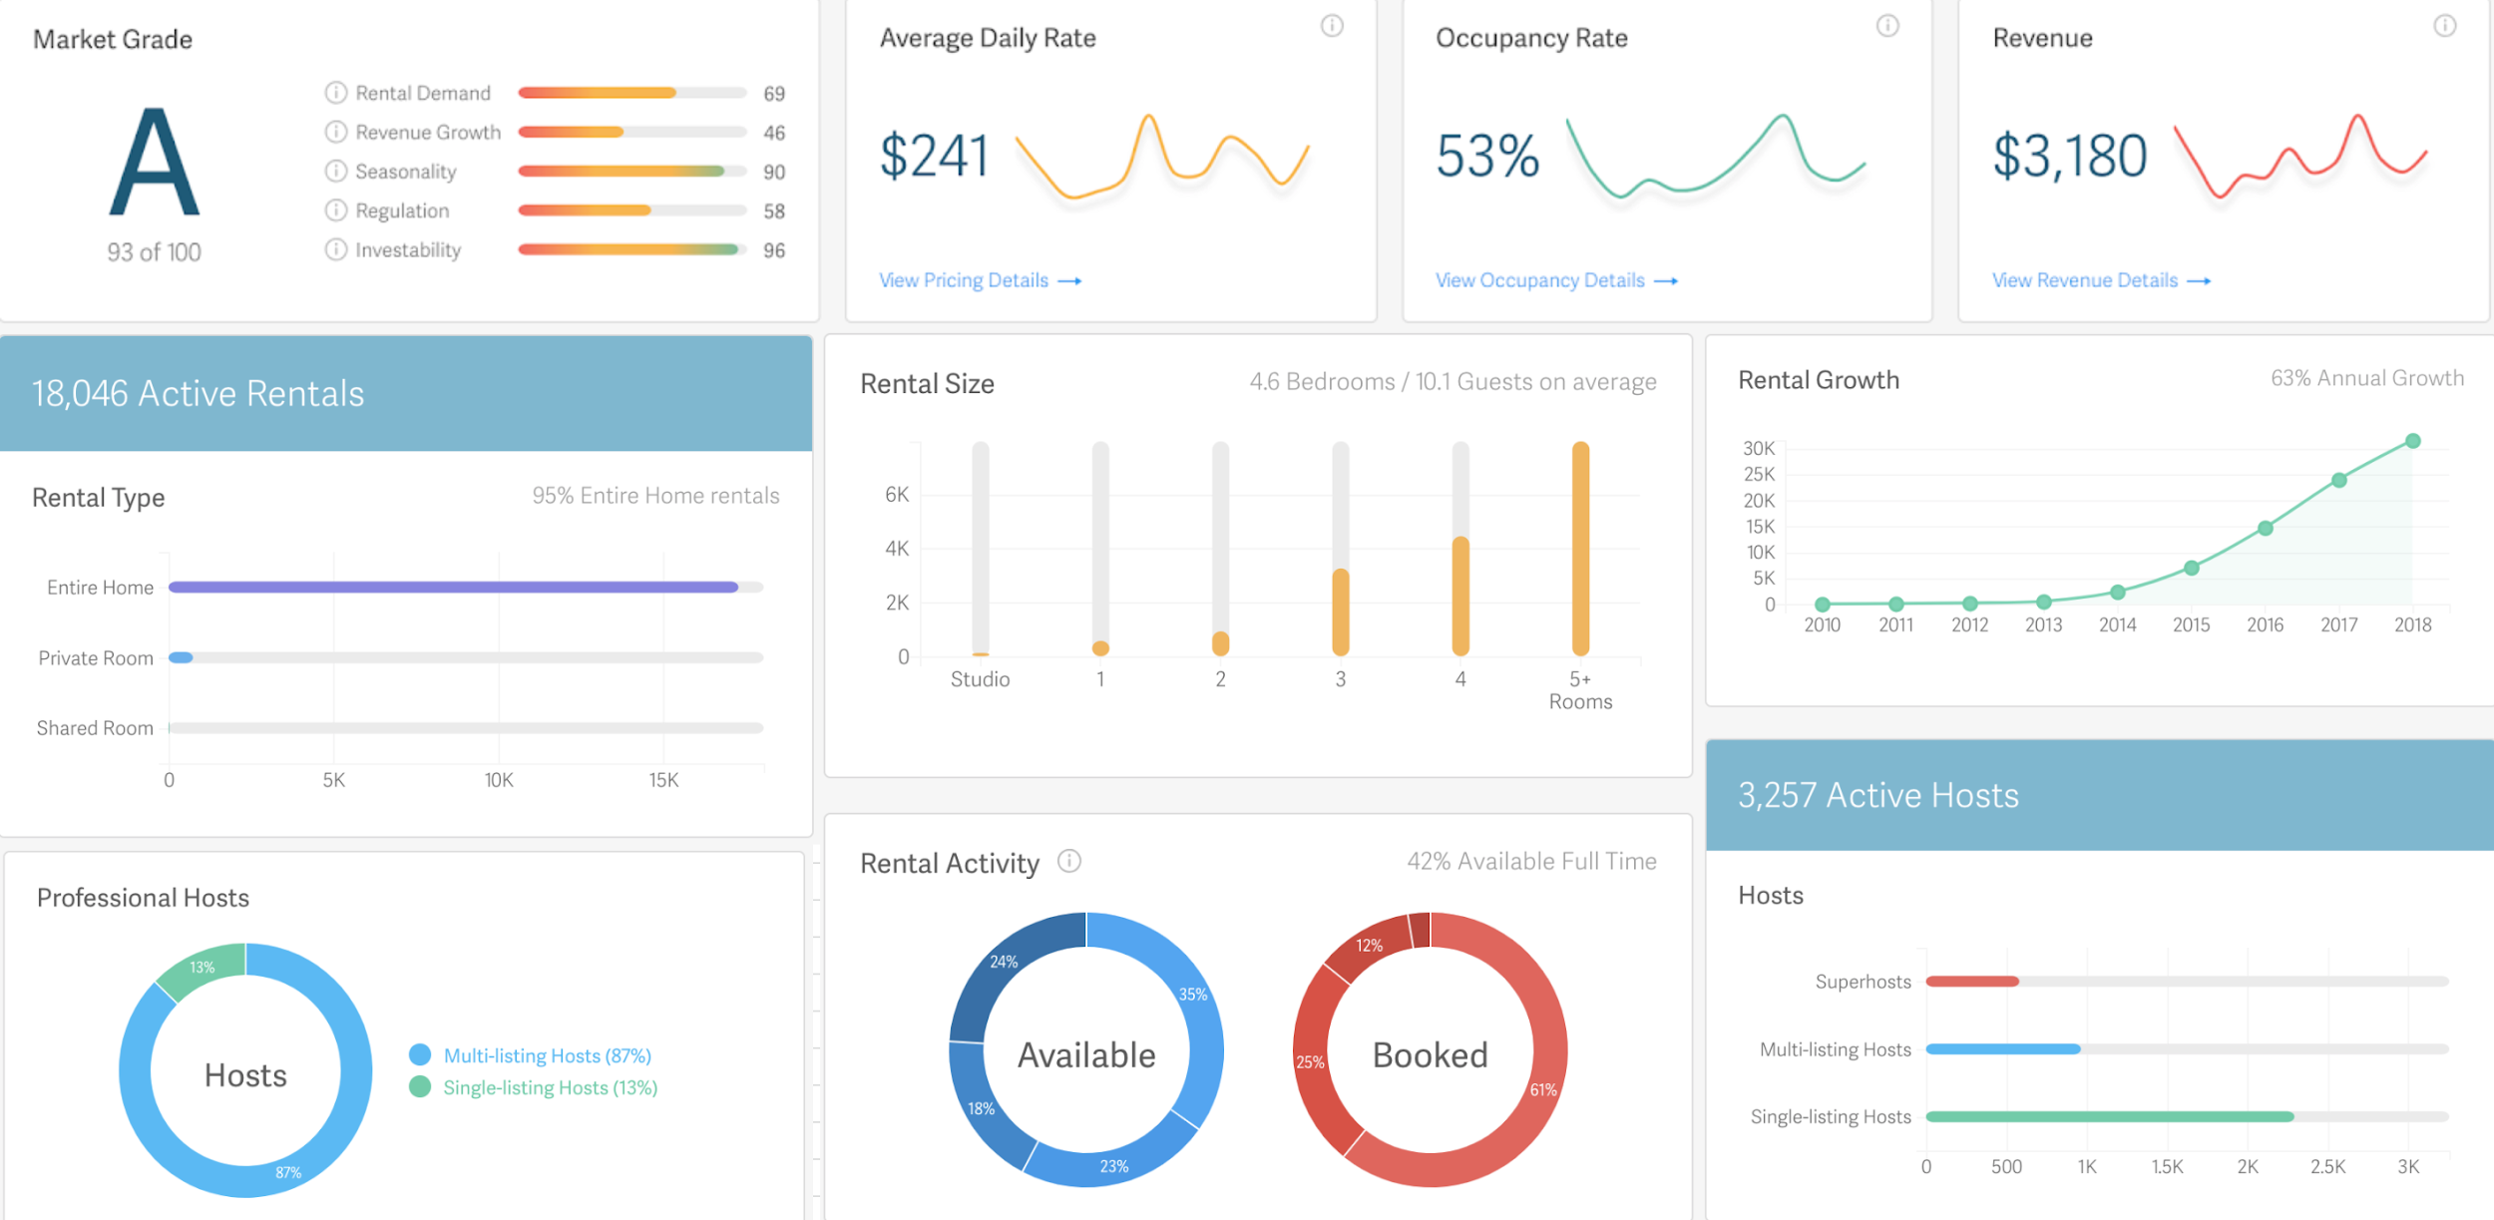
 | Average Daily Rate (Valor Médio por Noite) |  | Cresimento no número de Propriedades
 | Quartos | Valor Médio por Noite | Quartos | Número de Propriedades
 | 1 | $180 | 2010 | 781
 | 2 | $210 | 2011 | 921
 | 3 | $227 | 2012 | 1,013
 | 4 | $240 | 2013 | 1,451
 | 5 | $260 | 2014 | 2,779
 | 6 | $310 | 2015 | 6,078
 |  |  | 2016 | 16,117
 | Taxa Média de Ocupação |  | 2017 | 24,973
 | Quartos | Ocupação Média por mês | 2018 | 31,014
 | 1 | 51%
 | 2 | 62%
 | 3 | 54%
 | 4 | 52%
 | 5 | 51%
 | 6 | 47%

 | Propriedades por Número de Quartos
 | Quartos | Número de Propriedades
 | Studio | 402
 | 1 | 974
 | 2 | 1,718
 | 3 | 3,730
 | 4 | 6,550
 | 5 | 12,994
 | 6 | 4,645

Taxa de Ocupação Média por Mês e Número de Quartos

Receita Bruta Média por Mês e Número de Quartos

Preco Medio por Noite por Quart
 | Preço médio por Qtd. de Quartos
2 | 211.68331038
3 | 232.42967692
4 | 232.94547991
5 | 243.42322521
6 | 248.89518082

Quartos | AVERAGE of Preco por Noite
2 | 211.68331038
3 | 232.42967692
4 | 232.94547991
5 | 243.42322521
6 | 248.89518082

Taxa por Plataformas
Taxa por Plataforma |  | Receita Bruta por Plataforma |  |  |  | Valor Total de Taxa por Plataforma

Plataformas | Taxa | Source | 2017 | 2018 | 2019 | Source | 2017 | 2018 | 2019
Airbnb | 4% | Airbnb | $128,224.76 | $1,037,033.47 | $1,625,619.19 | Airbnb | $5,128.99 | $41,481.34 | $65,024.77
Homeaway | 3.50% | Homeaway | $266,006.22 | $676,888.01 | $733,233.44 | Homeaway | $9,310.22 | $23,691.08 | $25,663.17
Website | 1% | Website | $45,408.24 | $58,382.50 | $43,037.97 | Website | $454.08 | $583.82 | $430.38
YouTube | 0.00% | YouTube | $6,962.58 | $170,131.69 | $0.00 | YouTube | $0.00 | $0.00 | $0.00
Instagram | 5% | Instagram | $0.00 | $0.00 | $32,685.88 | Instagram | $0.00 | $0.00 | $1,634.29
Influencer | 10% | Influencer | $0.00 | $45,446.01 | $0.00 | Influencer | $0.00 | $4,544.60 | $0.00
Facebook | 12% | Facebook | $80,380.85 | $71,582.29 | $58,000.01 | Facebook | $9,645.70 | $8,589.88 | $6,960.00
Agencia | 18% | Agencia | $37,911.02 | $31,553.66 | $23,816.42 | Agencia | $6,823.98 | $5,679.66 | $4,286.96
Google Search | 14% | Google Search | $87,455.46 | $106,878.61 | $51,842.47 | Google Search | $12,243.76 | $14,963.01 | $7,257.95
 |  | Total | $652,349 | $2,197,896 | $2,568,235 | Total | $43,607 | $99,533.38 | $111,258

 |  | Maior e Menor Receita

 |  | Métrica | 2017 | 2018 | 2019
 |  | Maior Receita | $266,006.22 | $1,037,033.47 | $1,625,619.19
 |  | Receita Média | $45,408.24 | $71,582.29 | $43,037.97
 |  | Menor Receita | $0 | $0 | $0

